Q1
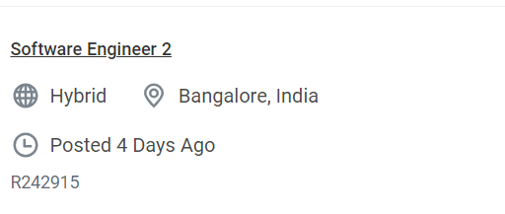
Crawling Exercise to be Done using request library not WebDriver

URL | https://dell.wd1.myworkdayjobs.com/en-US/External?Location_Country=c4f78be1a8f14da0ab49ce1162348a5e

 | You should able to crawl the all jobs display on site.

 | Required Data in Below format
 | Job Title | Location | Req Id | Job Link
 | Software Engineer 2 | Bangalore, India | R242915 | https://dell.wd1.myworkdayjobs.com/en-US/External/job/Bangalore-India/Software-Engineer-2_R242915-1?Location_Country=c4f78be1a8f14da0ab49ce1162348a5e

